Figure 2-5
FIGURE 2-5 Percentage of Workers Leaving Their Home County to Work: 1960, 1970, 1980, 1990, 2000, 2010, 2021, and 2022
 | Percent
1960 | 14.5%
1970 | 19.2%
1980 | 20.8%
1990 | 23.9%
2000 | 26.7%
2010 | 27.4%
2021 | 23.5%
2022 | 24.6%

2022 Data
FIGURE met 2-3: Percentage of Workers Leaving their Home County to Work |  |  |  |  |  |  |  | NEW FIGURE
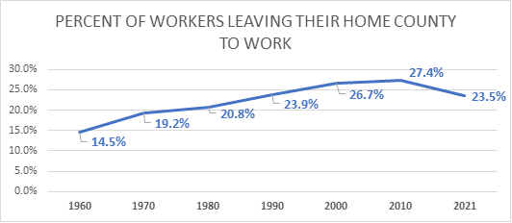
 | Percent
1960 | 14.5%
1970 | 19.2%
1980 | 20.8%
1990 | 23.9%
2000 | 26.7%
2010 | 27.4%
2021 | 23.5%
2022 | 24.6% | SOME RECOVERY BUT NOT BACK TO 2010 AND TREND

SOURCE: Pisarski, Alan, NCHRP Report 550: Commuting in America III, Figure 3-5, available at https://onlinepubs.trb.org/onlinepubs/nchrp/ciaiii.pdf as of September 2022. U.S Department of Commerce, Census Bureau, 2010 - 2021 Amercian Community Survey, Table B08007, available at https://data.census.gov/cedsci as of September 2022.

Percent of Workers Leaving their Home County to Work
 |  |  | WORK IN COUNTY | WORK OUTSIDE COUNTY | TOTAL | % WORK IN COUNTY | % WORK OUTSIDE COUNTY
 |  | 1960 | 55.254 | 9.4 | 64.654 | 0.85461069694 | 0.14538930306
 |  | 1970 | 62.065 | 14.784 | 76.849 | 0.8076227407 | 0.1923772593
 |  | 1980 | 76.564 | 20.108 | 96.672 | 0.79199768289 | 0.20800231711
 |  | 1990 | 87.587 | 27.482 | 115.069 | 0.76116938533 | 0.23883061467
 |  | 2000 | 94 | 34.2 | 128.3 | 0.7326578332 | 0.26656274357 |  | ADDRESS HOW TO TREAT 22
 |  | 2010 | 99.4 | 37.5 | 136.9 | 0.72607742878 | 0.27392257122
 |  | 2021 |  |  |  | 0.765 | 0.235
 |  | 2022 | 121040415 | 34586934 | 160577736 |  | 0.24621919567

Source
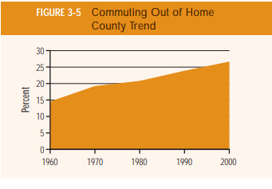
ACS Table B08007 |  |  |  | CIAIII Table for pre-2010 | https://onlinepubs.trb.org/onlinepubs/nchrp/ciaiii.pdf
 |  | 2010 | 2021
 | Total Workers | 136,941,010 | 154,314,179
 | Work in county of residence | 99,361,852 | 118,115,420
 | Percent work outside county of residence | 27.4% | 23.5%

